BOQ
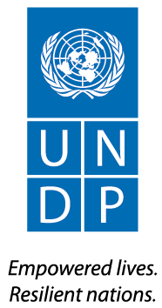

UNITED NATIONS DEVELOPMENT PROGRAMME

ITB 2018-270

Lot 13-D & 14-B

Bill of Quantities

Programme Title: Right to Education in the Gaza Strip
Project name: Recovery for Higher Education
PAL10- 00094739- Rehabilitation Works for UCAS-University College of Applied Science-Phase D & IUG- Islamic University of Gaza- Phase B

