Budget SCF 2021
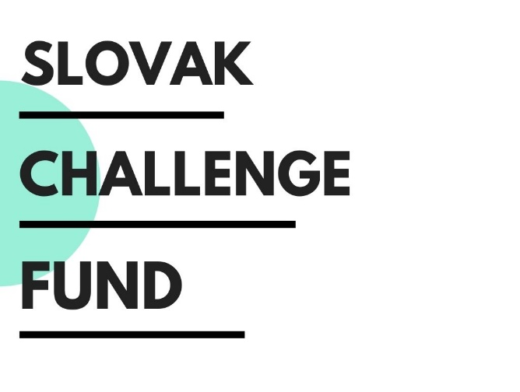 

 |  |  |  |  |  | Moldova
 |  |  |  |  |  | North Macedonia
Name of Project BUDGET

Lead Applicant/Innovator | Name of Lead Applicant/Innovator
Country of Implementation

Award | $0.00
Co-financing (USD) | $0.00
Co-financing (%) | #DIV/0!
Total Budget | $0.00

Activity 1 | Chapter 1 | Name of Activity
Type of Expenditure | Unit | Number of Units | Award (USD) | Co-financing (USD) | Notes
1.1 Personal Expenses
1.1.1 Sub Category
1.1.2 Sub Category
1.1.3 Sub Category
1.1.4 Sub Category
1.1.5 Sub Category
1.2 Travel Expenses
1.2.1 Sub Category
1.2.2 Sub Category
1.2.3 Sub Category
1.3 Local Costs
1.3.1 Sub Category
1.3.2 Sub Category
1.3.3 Sub Category
1.4 Other
1.4.1 Sub Category
1.4.2 Sub Category
Activity 1 (Total) | NA | NA | $0.00 | $0.00

Activity 2 | Chapter 2 | Name of Activity
Type of Expenditure | Unit | Number of Units | Award (USD) | Co-financing (USD) | Notes
1.1 Personal Expenses
1.1.1 Sub Category
1.1.2 Sub Category
1.1.3 Sub Category
1.1.4 Sub Category
1.1.5 Sub Category
2.2 Travel Expenses
2.2.1 Sub Category
2.2.2 Sub Category
2.2.3 Sub Category
2.3 Local Costs
2.3.1 Sub Category
2.3.2 Sub Category
2.3.3 Sub Category
2.4 Other
2.4.1 Sub Category
2.4.2 Sub Category
Activity 2 (Total) | NA | NA | $0.00 | $0.00

Activity 3 | Chapter 3 | Name of Activity
Type of Expenditure | Unit | Number of Units | Award (USD) | Co-financing (USD) | Notes
3.1 Personal Expenses
3.1.1 Sub Category
3.1.2 Sub Category
3.1.3 Sub Category
3.1.4 Sub Category
3.1.5 Sub Category
3.2 Travel Expenses
3.2.1 Sub Category
3.2.2 Sub Category
3.2.3 Sub Category
3.3 Local Costs
3.3.1 Sub Category
3.3.2 Sub Category
3.3.3 Sub Category
3.4 Other
3.4.1 Sub Category
3.4.2 Sub Category
Activity 3 (Total) | NA | NA | $0.00 | $0.00

In Total | NA | NA | $0.00 | $0.00

Notes to co-financing
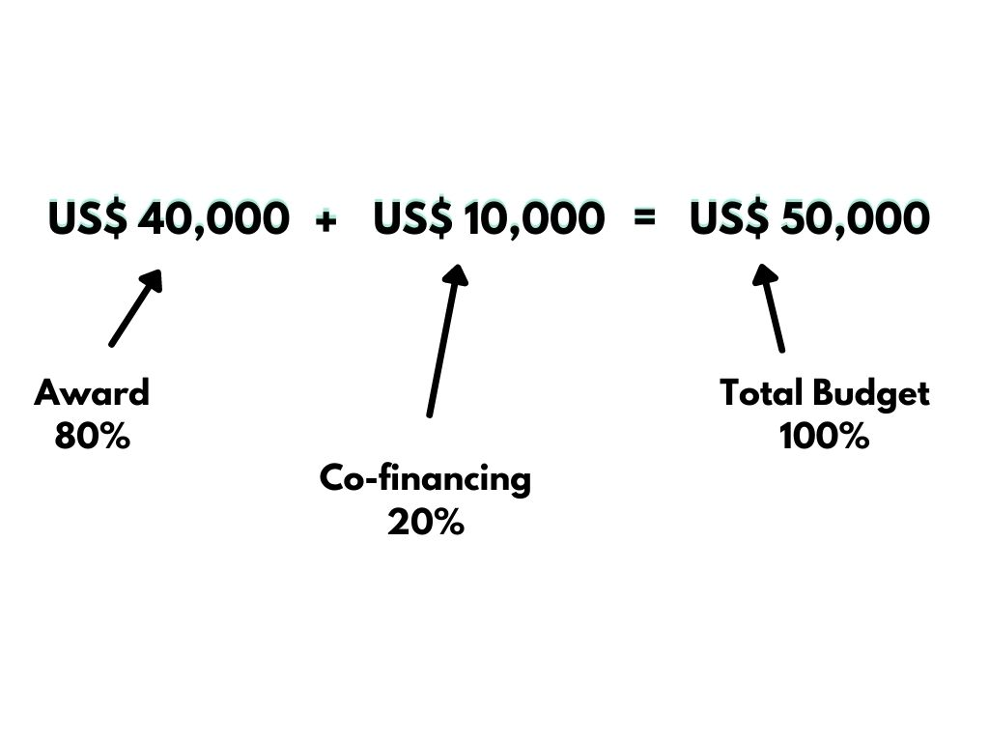
 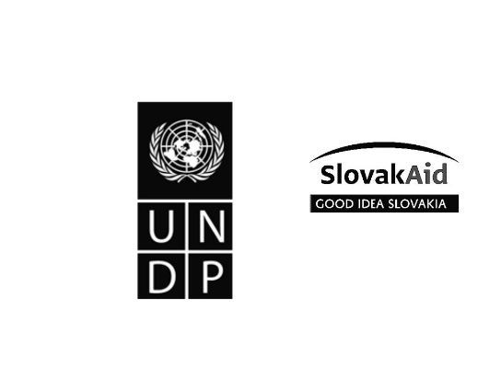
Can you provide more explanation about co-financing?
The total budget of the project, comprising of the maximum 80% for the price funding („award“), and minimum 20% for the matching funds from other sources („co-financing“). Co-financing can be in-kind, e.g. cash value of use of facilities (like lab or meeting spaces), patents and licenses for use, study materials, technologies, or components, etc. Co-financing above the minimum threshold is preferred and will be taken into account during evaluation; 0 % for the required minimum of 20% of total project costs, then 0.5% for every additional 1% co-funding of the total projects costs.

